Sheet1
 | Saisson Blanch Dresses- SPECIAL OCASSIONS

Brand New Dresses- Directly form Manufacture

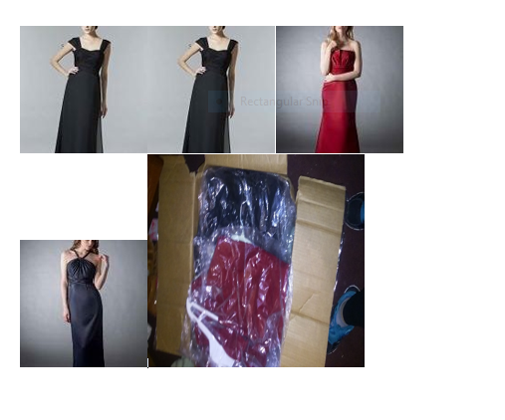
Special price for this Season
 |  | Short sale Inventory: 30 units
 |  |  | Colors: Red, Blue, Balck,Pink,Gray,Brown | Blue, Black,
 |  |  | Sizes:4,6,8,10 (only small sizes) | 10, Small Sizes
 |  |  | Prices: From :$60.00 to $1560.00 | $63.57 | $158.00

 |  |  | Promotion: Buy 2 units and get a 45% of discount in the second unit.

